Sheet1

 |  |  |  | Advertisement and Sales Analysis

 |  | In today's highly competitive market, companies spend significant amounts on advertising to promote their products and drive sales. However, there remains a crucial question: how effective are these advertising strategies in generating sales? To ensure the optimal allocation of advertising budgets, companies need to analyze the relationship between their advertising spend and sales revenue

 |  | The goal of this analysis is to examine the impact of various advertising channels on sales performance. By analyzing historical data on ad spend and corresponding sales figures, the company seeks to identify which channels are most effective in driving sales and determine the return on investment (ROI) for each channel.

0 | Advt (X) | Sales (y) | X^2(xx) | xy | y pred (a+bx) | Residuals [Actual - Predicted] | SST (Actual - y_mean)^2 | SSR (y_pred - y_mean)^2 | SSE (y_actual - y_pred)^2
1 | 92 | 950 | 8464 | 87400 | 992.0382534 | -42.03825337 | 320333.3604 | 274514.9539 | 1767.214746
2 | 93 | 980 | 8649 | 91140 | 1005.465771 | -25.46577122 | 287274.5604 | 260624.7778 | 648.5055039
3 | 95 | 1030 | 9025 | 97850 | 1032.320807 | -2.320806927 | 236176.5604 | 233926.215 | 5.386144794
4 | 96 | 1040 | 9216 | 99840 | 1045.748325 | -5.748324781 | 226556.9604 | 221117.8284 | 33.04323778
5 | 99 | 1090 | 9801 | 107910 | 1086.030878 | 3.96912166 | 181458.9604 | 184856.2472 | 15.75392675
6 | 100 | 1110 | 10000 | 111000 | 1099.458396 | 10.54160381 | 164819.7604 | 173490.2464 | 111.1254108
7 | 100 | 1110 | 10000 | 111000 | 1099.458396 | 10.54160381 | 164819.7604 | 173490.2464 | 111.1254108
8 | 103 | 1110 | 10609 | 114330 | 1139.74095 | -29.74094975 | 164819.7604 | 141555.8229 | 884.5240922
9 | 104 | 1140 | 10816 | 118560 | 1153.168468 | -13.16846761 | 141360.9604 | 131632.208 | 173.4085391
10 | 105 | 1180 | 11025 | 123900 | 1166.595985 | 13.40401454 | 112882.5604 | 122069.1896 | 179.6676058
11 | 108 | 1195 | 11664 | 129060 | 1206.878539 | -11.87853902 | 103028.1604 | 95543.71318 | 141.0996892
12 | 109 | 1210 | 11881 | 131890 | 1220.306057 | -10.30605687 | 93623.7604 | 87423.08064 | 106.2148083
13 | 110 | 1240 | 12100 | 136400 | 1233.733575 | 6.266425274 | 76164.9604 | 79663.04458 | 39.26808572
14 | 111 | 1290 | 12321 | 143190 | 1247.161093 | 42.83890742 | 51066.9604 | 72263.60499 | 1835.171989
15 | 112 | 1285 | 12544 | 143920 | 1260.58861 | 24.41138957 | 53351.7604 | 65224.76187 | 595.9159406
16 | 112 | 1350 | 12544 | 151200 | 1260.58861 | 89.41138957 | 27549.3604 | 65224.76187 | 7994.396584
17 | 114 | 1380 | 12996 | 157320 | 1287.443646 | 92.55635386 | 18490.5604 | 52228.86504 | 8566.67864
18 | 117 | 1389 | 13689 | 162513 | 1327.7262 | 61.2738003 | 16123.9204 | 35439.49333 | 3754.478603
19 | 120 | 1400 | 14400 | 168000 | 1368.008753 | 31.99124674 | 13451.3604 | 21895.48986 | 1023.439868
20 | 120 | 1440 | 14400 | 172800 | 1368.008753 | 71.99124674 | 5772.9604 | 21895.48986 | 5182.739608
21 | 123 | 1460 | 15129 | 179580 | 1408.291307 | 51.70869318 | 3133.7604 | 11596.85464 | 2673.788951
22 | 124 | 1470 | 15376 | 182280 | 1421.718825 | 48.28117533 | 2114.1604 | 8885.169175 | 2331.071891
23 | 127 | 1480 | 16129 | 187960 | 1462.001378 | 17.99862177 | 1294.5604 | 2913.691608 | 323.9503856
24 | 128 | 1480 | 16384 | 189440 | 1475.428896 | 4.571103917 | 1294.5604 | 1644.392029 | 20.89499102
25 | 131 | 1485 | 17161 | 194535 | 1515.71145 | -30.71144964 | 959.7604 | 0.072119294 | 943.1931392
26 | 132 | 1485 | 17424 | 196020 | 1529.138967 | -44.1389675 | 959.7604 | 173.1584256 | 1948.248452
27 | 135 | 1300 | 18225 | 175500 | 1569.421521 | -269.4215211 | 46647.3604 | 2855.996173 | 72587.95601
28 | 136 | 1540 | 18496 | 209440 | 1582.849039 | -42.84903891 | 576.9604 | 4471.468365 | 1836.040135
29 | 136 | 1500 | 18496 | 204000 | 1582.849039 | -82.84903891 | 255.3604 | 4471.468365 | 6863.963248
30 | 138 | 1650 | 19044 | 227700 | 1609.704075 | 40.29592538 | 17961.3604 | 8784.202163 | 1623.761603
31 | 141 | 1660 | 19881 | 234060 | 1649.986628 | 10.01337182 | 20741.7604 | 17957.77639 | 100.2676153
32 | 144 | 1660 | 20736 | 239040 | 1690.269182 | -30.26918173 | 20741.7604 | 30376.71887 | 916.2233629
33 | 145 | 1450 | 21025 | 210250 | 1703.6967 | -253.6966996 | 4353.3604 | 35237.5593 | 64362.01538
34 | 148 | 1740 | 21904 | 257520 | 1743.979253 | -3.979253148 | 50184.9604 | 51983.65944 | 15.83445561
35 | 150 | 1780 | 22500 | 267000 | 1770.834289 | 9.165711146 | 69706.5604 | 64950.70855 | 84.01026081
36 | 151 | 1790 | 22801 | 270290 | 1784.261807 | 5.738193293 | 75086.9604 | 71975.12781 | 32.92686227
37 | 152 | 1790 | 23104 | 272080 | 1797.689325 | -7.68932456 | 75086.9604 | 79360.14354 | 59.12571219
38 | 152 | 1810 | 23104 | 275120 | 1797.689325 | 12.31067544 | 86447.7604 | 79360.14354 | 151.5527298
39 | 152 | 1810 | 23104 | 275120 | 1797.689325 | 12.31067544 | 86447.7604 | 79360.14354 | 151.5527298
40 | 155 | 1700 | 24025 | 263500 | 1837.971878 | -137.9718781 | 33863.3604 | 103678.7696 | 19036.23915
41 | 157 | 1920 | 24649 | 301440 | 1864.826914 | 55.17308617 | 163232.1604 | 121694.1693 | 3044.069438
42 | 157 | 1890 | 24649 | 296730 | 1864.826914 | 25.17308617 | 139890.9604 | 121694.1693 | 633.6842675
43 | 160 | 1920 | 25600 | 307200 | 1905.109467 | 14.89053261 | 163232.1604 | 151421.7424 | 221.7279615
44 | 162 | 1940 | 26244 | 314280 | 1931.964503 | 8.035496908 | 179792.9604 | 173043.1068 | 64.56921055
45 | 162 | 1980 | 26244 | 320760 | 1931.964503 | 48.03549691 | 215314.5604 | 173043.1068 | 2307.408963
46 | 164 | 2010 | 26896 | 329640 | 1958.819539 | 51.1804612 | 244055.7604 | 196106.8571 | 2619.439609
47 | 165 | 2010 | 27225 | 331650 | 1972.247057 | 37.75294335 | 244055.7604 | 208179.627 | 1425.284731
48 | 166 | 2020 | 27556 | 335320 | 1985.674575 | 34.32542549 | 254036.1604 | 220612.9933 | 1178.234835
49 | 169 | 2070 | 28561 | 349830 | 2025.957128 | 44.04287194 | 306938.1604 | 260076.6711 | 1939.774568
50 | 169 | 2080 | 28561 | 351520 | 2025.957128 | 54.04287194 | 318118.5604 | 260076.6711 | 2920.632007
sum = | 6551 | 75799 | 886377 | 10308028 |  |  | 5285652.98 | 5060066.3787 | 225586.60109
Average = | 131.02 | 1515.98 | 17727.54 | 206160.56

Sum of Squared on independent and dependent features |  |  |  |  |  |  | Sum of Squared on dependent features

 |  | SSxy = | 376843.02 |  |  |  |  | SSxx = | 28064.98

Now., Will find coefficient & Intercept

Regression Coefficient (b1) |  |  |  |  |  |  | Intercept (bo)

 |  |  |  | For one unit change in my x-axis what is the change in my y-axis |  |  |  |  |  | Note :-
 |  |  |  |  |  |  |  |  |  | The line where the point cuts the y - axis is Intercept
 |  |  |  |  |  |  |  |  |  | when the value of x = 0 what is the value of y that is intercept

 |  | b1 = | 13.427517853
 |  |  |  |  |  |  |  | bo = | -243.29338913

 |  | Regression Equation

 |  | y = mx + c |  |  |  | Note :- y = Dependent variable, m = Slope, x = Independent Variable, c = Intercept
 |  |  |  |  |  |  |  |  |  |  | say,you wantbto predict sales for a given advertisement budget 1000
 |  | y = a + bx |  |  |  | Note :- y = Dependent variable,a = Intercept, b = Slope, x = Independent Variable
 |  |  |  |  |  |  |  |  |  |  | 13184.224464
 |  | y = bo + b1x1 |  |  |  | Note :- y = Dependent variable, bo = Intercept, b1 = Slope, x = Independent Variable

 | Now will Try to implement Regression Equation in our problem statement

 |  | Sales (ypred) = Intercept + coefficient * advertisement

 | Once you find the Sum of Squared Error You are good to go with Standard Error Residuals [SER]

 |  |  |  |  |  |  | Note :- n = No of Observation, k = No of independent variable

 |  |  |  | SER = | 68.554510107

 |  | What is the Practical use of Standard Error Residuals (68.55) ?

 |  | Say, you want to predict sales for a given advertisement budget of 95.

 |  |  | Sales @95 = | bo + b1 x1
 |  |  | sales @95 = -243.29 + 13.42 * 95
 |  |  | Sales @95 = | 1032.3208069

 | It is Never Good idea to express prediction in point Estimate., Rather we should present confidence intervals as shown in below.

 |  | Upper Limit(Sales) = | ypred + critical value of Z at 95% of confidence Level * SEresiduals

 |  | Upper Limit (sales) = 1032 + 1.96 * 68.55
 |  |  |  |  |  |  | Now will try to understand how to find critical value of Z at 95% of confidence Level
 |  | Upper Limit(Sales) = | 1166.6876467

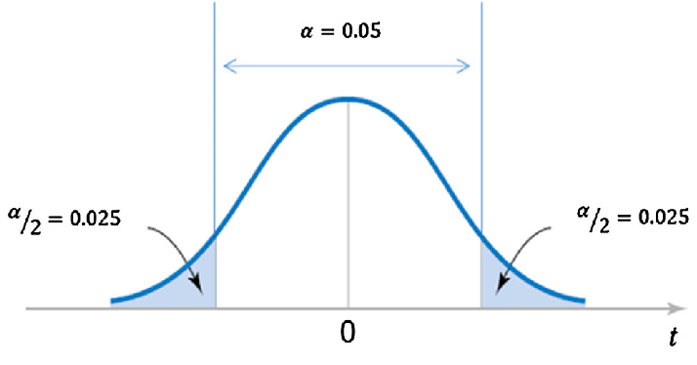
 |  |  |  |  |  |  | Entire distribution of Bell curve = 1

 |  |  |  |  |  |  | Now will take half of the curve because the bell curve is symmetric, So we will be having 0.5 on left and 0.5 on right

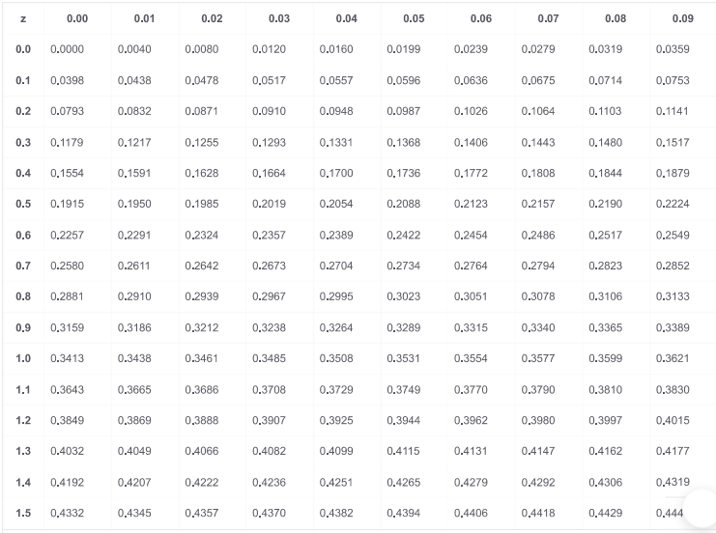
 |  |  |  |  |  |  |  | 1 - 0.5
 |  |  |  |  |  |  |  | 0.5 - 0.025
 |  |  |  |  |  |  |  | 0.475

 |  |  |  |  |  |  | By using Z table for 0.475 we got Z value = 1.96

 |  | Lower Limit(Sales) = | ypred -Critical value of z at 95% of confidence Level * Seresiduals

 |  | Lower Limit (Sales) = 1032 - 1.96 * 68.55

 |  | Lower Limit (Sales) = | 897.95396712

 | So, You will say that you are 95% confident that the sales corresponds to 95 budget of Advertisement will lie between 886.87 to 1032.3

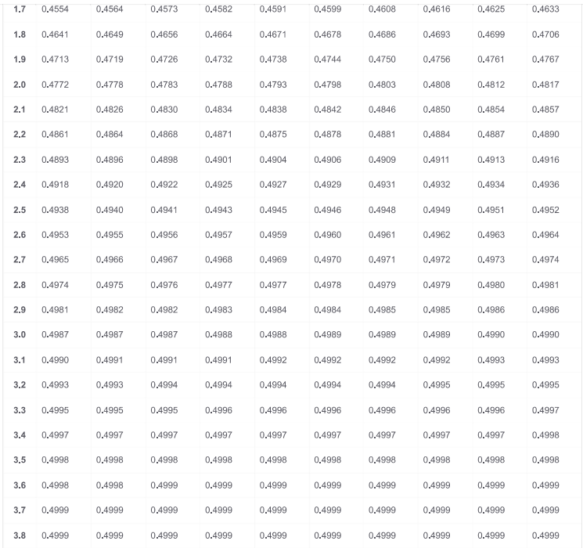
 |  | Now Let’s Understand t-test for Slope

 |  | If you see the Summary report you will find 3 useful information
 |  | 1. t-statistics (32.81)
 |  | 2. std error of regression coefficient (0.40)
 |  | 3. probability of commiting type 1 error (1.6 e-34)

 |  | Now let we define Hypothesis over here |  | Ho = Null Hypothesis & Ha = Alternative Hypothesis

 |  | Ho/Null Hypothesis = The Slope of Advertisement with sales is not significant
 |  | H1/Alternative Hypothesis = The slope of Advertisement with sales is significant

 |  | In Mathematical Terms
 |  | Null Hypothesis / Ho = There is No Linear Relationship
 |  | Alternative Hypothesis / Ha = There is Linear Relationship

 |  | Now will Interpret coefficient

 |  | One unit change in Advertisement will result in 19.07 time change in sales.

 |  | So, First will calculate the test statistics

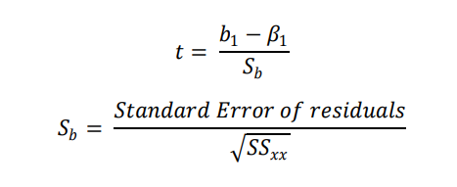

 |  | Standard Error of Regression Coefficient(Sb) = | 0.4092169962

 |  | Test Statistics (t) = | 32.812708118

 |  | Now Let’s Discuss about Probability value

 |  | If, P-value is <= 0.05 (for 5% of Level of Significance) we Reject Null Hypothesis (Ho)
 |  | If, P-value is > 0.05 (for 5% of Level of Significance) we fail to reject Null Hypothesis (Ho)

 |  | The P-value is 0.00 which is less than 0.05, (level of Signifincance), So we Reject the Null Hypothesis (Ho) and Accept Alternative Hypothesis (Ha), And Finaly we conclude that slope is signifincant, And Finaly we can conclude that the advt and sales are having a linear relationship

